REC.SHEET
PT SAPTAINDRA SEJATI
PLANT REBUILD CENTER

RECEIVING INSPECTION SHEET |  | MACHINE MODEL | CAT 777E | TRANS SERIAL NUMBER |  | JUS00602 | HOUR METER
 |  | COMP. MODEL |  | TRANS ARRANG NO |  | 468-1342 | LIFE TIME
TM CAT 777E |  | RECEIVING DATE |  | SITE |  |  | REVISION NO | 0
 |  | HISTORYCAL |  | WO NO |  |  | PAGE | 1/1

: GOOD CONDITION
X : BAD CONDITION ⊗ : NONE
BELOW ARE THE ITEMS RELATED TO DELIVERY INSPECTION AND WHILE YOU DOING THIS INSPECTION JOB, PLEASE REFERRING
TO THE REMANUFACTURED COMPONENTS - STANDARD CONFIGURATION.

SKETCH DRAWING OR PHOTOES |  |  |  |  | NO | ITEM |  | CHECK | REMARKS

11
3
2
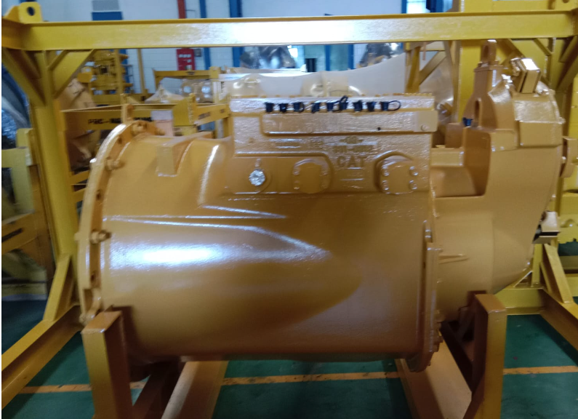
 |  |  |  |  | 1 | Tutup Check Pressure
 |  |  |  |  | 2 | Plug dan Bolt Terpasang
 |  |  |  |  | 3 | Connector Transmission Harness
 |  |  |  |  | 4 | Drain Plug
 |  |  |  |  | 5 | Tutup Check Pressure
 |  |  |  |  | 6 | Name Plate Original dan NARO
 |  |  |  |  | 7 | Bolt Cover
 |  |  |  |  | 8 | Cover Besi Transmission
 |  |  |  |  | 9 | Cover Sensor Transmission
 |  |  |  |  | 10 | Bolt dan Flange
 |  |  |  |  | 11 | Cover Transmission Speed Sensor
5
 |  |  |  |  | 12 | Speed Sensor
 |  |  |  |  | 13 | Stand
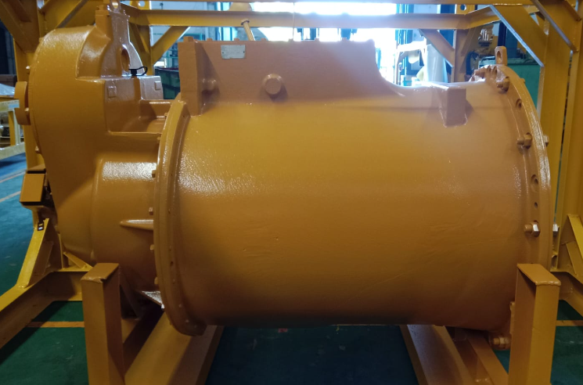
4
 |  |  |  |  | 14 | Packing

6

7

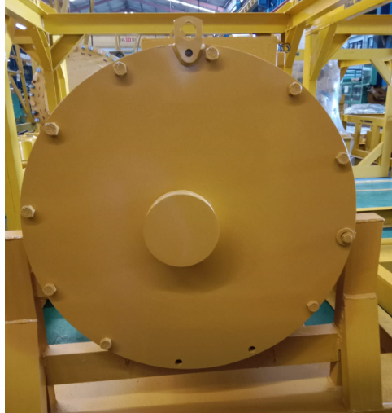

8

9

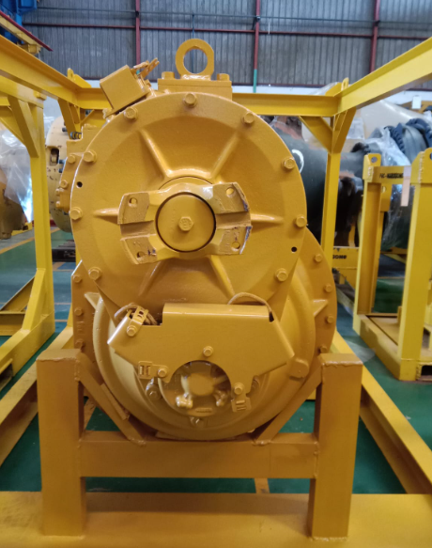
10

11

NOTE : PLEASE MARK " |  | " FOLLOWING TO THE ACTUAL CONDITION
OIL LEVEL |  | EMPTY OR DRAINED
 |  | PROPER LEVEL
 |  |  |  |  |  |  |  | ,............................
 | Inspected & Prepared by |  |  | Check by |  |  | Check by |  | Approved by

 | QA.Inspector |  |  | QA.Coordinator |  |  | GL/SPV Prod |  | PPC

